Score
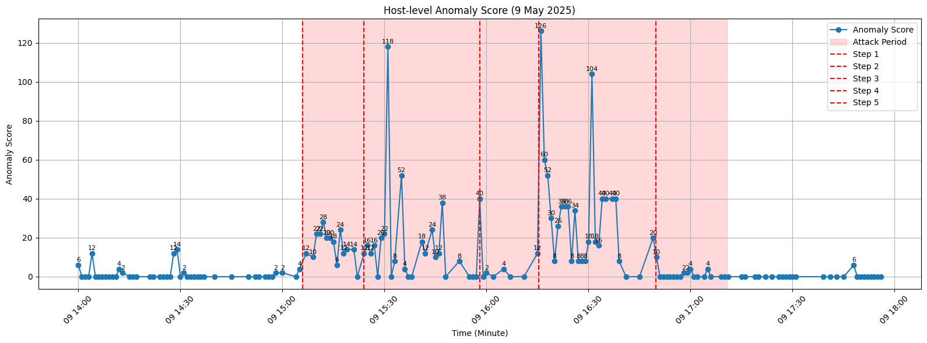
UTC Attack Start | UTC Attack End | Time with highest composite score | Per feature score | + | Anomaly score | = | Composite Score
15:06:00 | 15:24:00 | 5/9/25 | 14 |  | 14 |  | 28
15:24:00 | 15:58:00 | 5/9/25 | 59 |  | 59 |  | 118
15:58:00 | 16:15:00 | 5/9/25 | 6 |  | 6 |  | 12
16:15:00 | 16:49:00 | 5/9/25 | 63 |  | 63 |  | 126
16:49:00 | 17:10:00 | 5/9/25 | 5 |  | 5 |  | 10

